CV
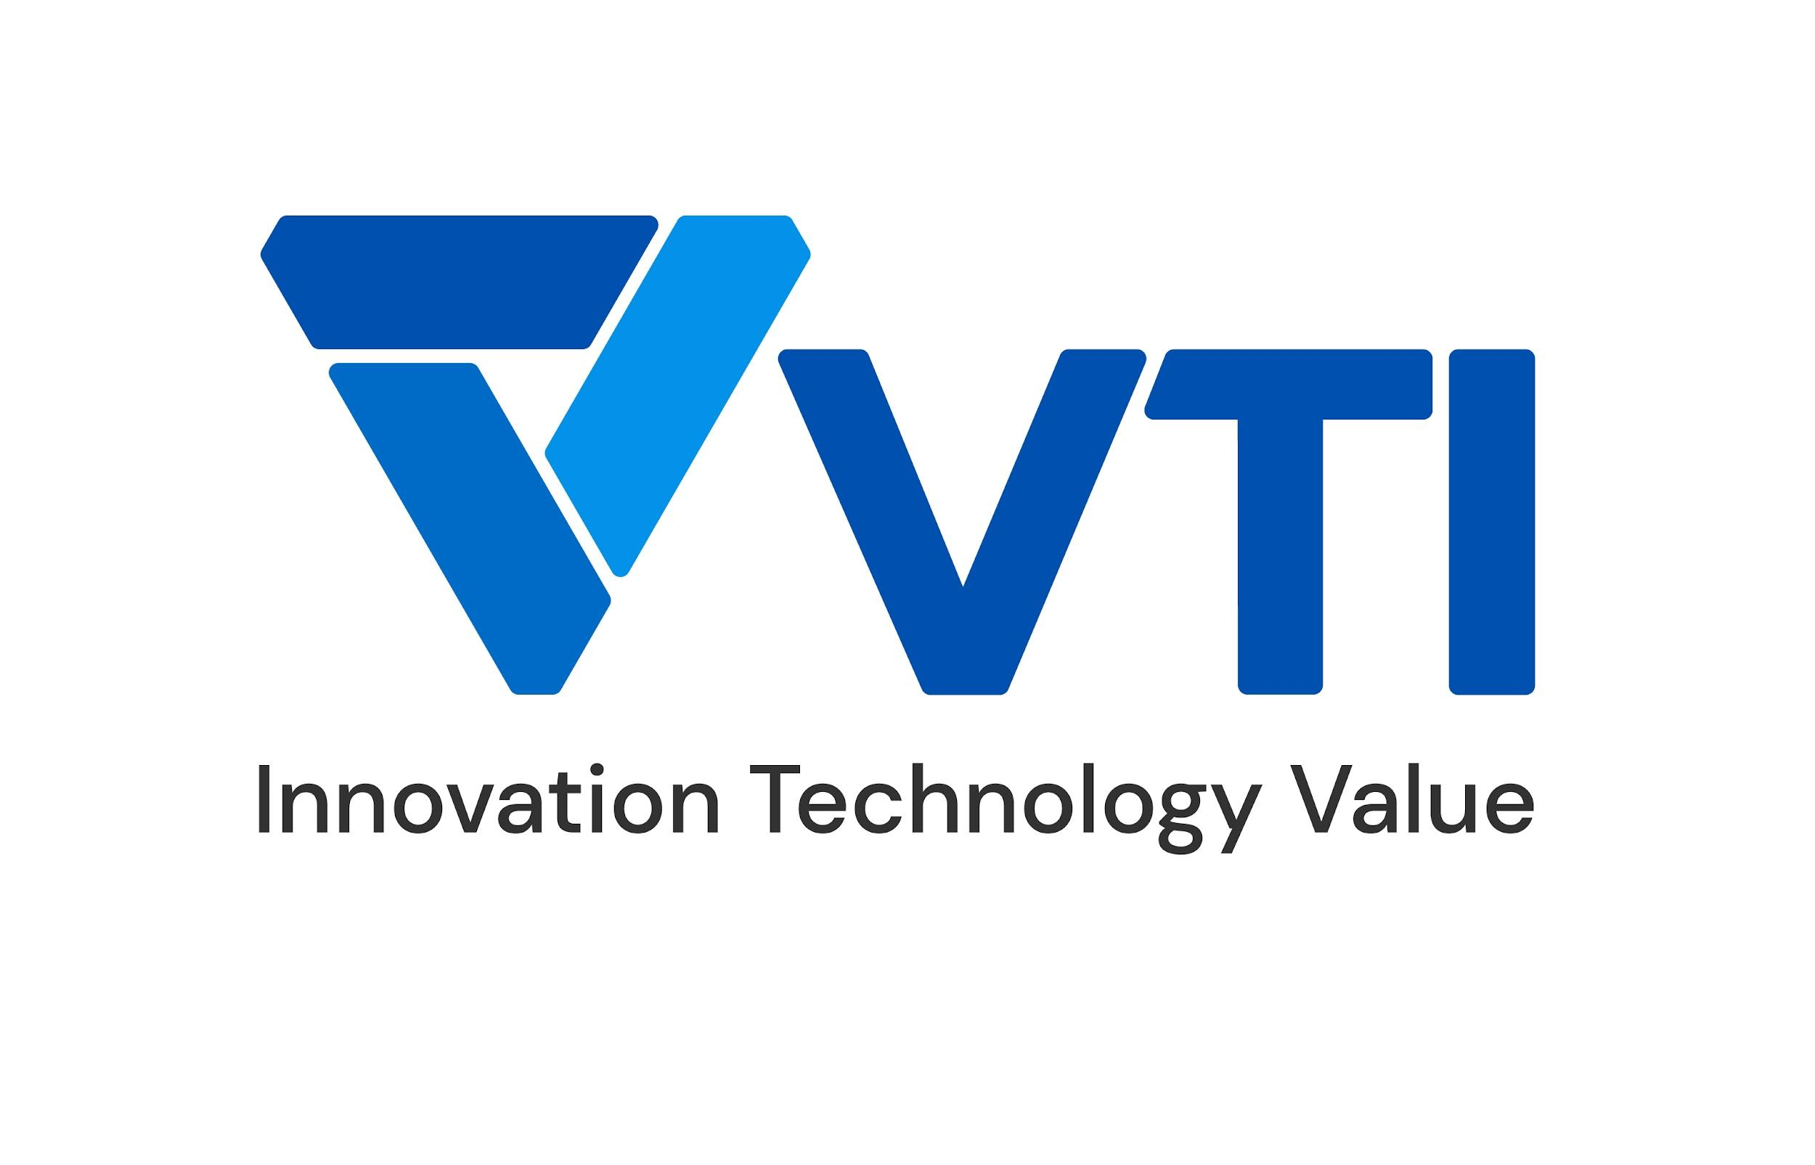 | CURRICULUM VITAE
PERSONAL DETAIL
Name | To Quy Thanh
Nationality | Vietnamese
DOB | 2003
Sex | Male
Seniority | < 1 year

ABOUT
- Skilled in developing Bidata platform on AWS - Hands-on experience with big data technologies such as Apache Spark and Hadoop. - Extensive knowledge of cloud platforms, particularly AWS.

EDUCATIONAL BACKGROUND
2021-2025 |  | HAUI - Hanoi University of Industry

LANGUAGE
Vietnamese |  | Native
English |  | English/Pre-Intermediate

TECHNICAL SKILL
Program language |  | Python, C++ , SQL, Bash Script, Scala, HiveSql
Data engineering |  | Databrick, Apache Spark, AWS Glue, AWS Lambda, Kafka, Hadoop, Superset
ETL Techniques |  | Change Data Capture, Data Cleansing, Data Aggregation, Data Enrichment, Data Validation
ML Techniques |  | Data Preprocessing, Model Training and Tuning, Model Evaluation, Model Monitoring.
Microservices |  | Kafka, Docker
OS |  | Windowns, Linux
Database |  | MySQL, DynamoDB
Public Cloud |  | Data Preprocessing, Model Evaluation and Validation

EXPERIENCE
USMH (2024 - now)
Customer |  | Japanese customer
Description |  | Building data platform for retail
Team Size |  | 5
My Position |  | Data engineer
My Responsibilites |  | - ETL Job for automated product tagging
Technologies Used |  | Data Lake Architecture on AWS, Lambda, OpenSearch, Oracle DB

I declare that the above information is accurate.

